Solution
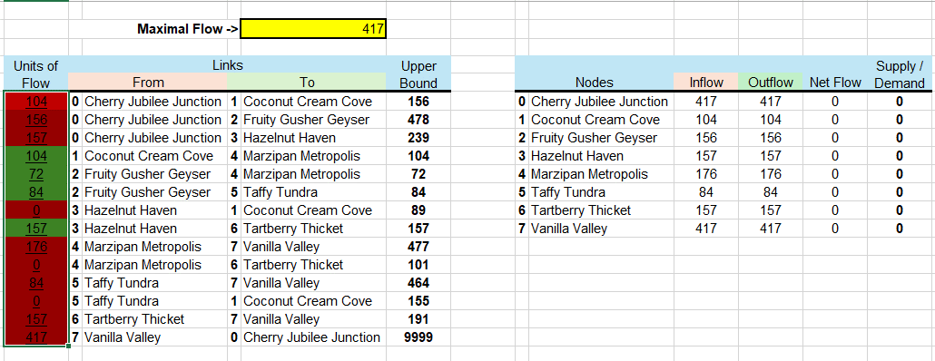
 | Maximal Flow -> |  |  | 417

Units of Flow | Links |  |  |  | Upper Bound |  |  |  |  |  | Supply / Demand
 | From |  | To |  |  | Nodes |  | Inflow | Outflow | Net Flow
104 | 0 | Cherry Jubilee Junction | 1 | Coconut Cream Cove | 156 | 0 | Cherry Jubilee Junction | 417 | 417 | 0 | 0
156 | 0 | Cherry Jubilee Junction | 2 | Fruity Gusher Geyser | 478 | 1 | Coconut Cream Cove | 104 | 104 | 0 | 0
157 | 0 | Cherry Jubilee Junction | 3 | Hazelnut Haven | 239 | 2 | Fruity Gusher Geyser | 156 | 156 | 0 | 0
104 | 1 | Coconut Cream Cove | 4 | Marzipan Metropolis | 104 | 3 | Hazelnut Haven | 157 | 157 | 0 | 0
72 | 2 | Fruity Gusher Geyser | 4 | Marzipan Metropolis | 72 | 4 | Marzipan Metropolis | 176 | 176 | 0 | 0
84 | 2 | Fruity Gusher Geyser | 5 | Taffy Tundra | 84 | 5 | Taffy Tundra | 84 | 84 | 0 | 0
0 | 3 | Hazelnut Haven | 1 | Coconut Cream Cove | 89 | 6 | Tartberry Thicket | 157 | 157 | 0 | 0
157 | 3 | Hazelnut Haven | 6 | Tartberry Thicket | 157 | 7 | Vanilla Valley | 417 | 417 | 0 | 0
176 | 4 | Marzipan Metropolis | 7 | Vanilla Valley | 477
0 | 4 | Marzipan Metropolis | 6 | Tartberry Thicket | 101
84 | 5 | Taffy Tundra | 7 | Vanilla Valley | 464
0 | 5 | Taffy Tundra | 1 | Coconut Cream Cove | 155
157 | 6 | Tartberry Thicket | 7 | Vanilla Valley | 191
417 | 7 | Vanilla Valley | 0 | Cherry Jubilee Junction | 9999

0
7
6
6
4
3
1
2
Cherry Jubilee Junction
Coconut Cream Cove
Fruity Gusher Geyser
Hazelnut Haven
Marzipan Metropolis
Taffy Tundra
Tartberry Thicket
Vanilla Valley
157
155
89
156
84
104
157
464
157
478
72
101
+0
+0
+0
+0
+0
+0
+0
+0
155
9999

